Sheet1
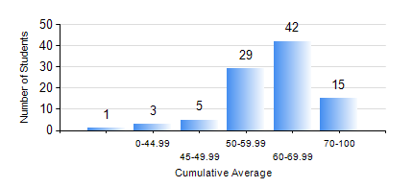
 |  |  | KWAME NKRUMAH UNIVERSITY OF SCIENCE AND TECHNOLOGY, KUMASI Department of Chemical Engineering

 |  |  | BSC. PETROCHEMICAL ENG.

 |  |  | COMPREHENSIVE RECORD OF EXAMINATION RESULTS

 |  |  | RESULTS OF YEAR 1 FIRST SEMESTER, 2019/2020 ACADEMIC YEAR

 | Sn | Course Code |  | Course Name | Credit Hours | Min. Mark | Max. Mark | Avg. Mark | Std. Dev. | No. Passed | No. Trailed | No. (Df) | No. (I) | No. (I*) | No. Tagged(I,I*,Df) | Total
 | 0. |  |  |  |  |  |  | 0 | 0 | 0 | 0 | 0 | 0 | 0 | 0 | 5
 | 1. | CHE 151 |  | INORGANIC CHEMISTRY FOR ENGINEERS | 2 | 36 | 92 | 69 | 10.16 | 89 | 1 | 0 | 0 | 0 | 0 | 90
 | 2. | CHE 153 |  | ORGANIC CHEMISTRY FOR ENGINEERS | 2 | 40 | 78 | 55 | 9.64 | 90 | 0 | 0 | 0 | 0 | 0 | 90
 | 3. | CHEM 169 |  | PRACTICAL CHEMISTRY I | 3 | 35 | 74 | 61 | 7.43 | 89 | 1 | 0 | 0 | 0 | 0 | 90
 | 4. | EE 151 |  | APPLIED ELECTRICITY | 3 | 25 | 91 | 62 | 15.65 | 82 | 8 | 0 | 0 | 0 | 0 | 90
 | 5. | ENGL 157 |  | COMMUNICATION SKILLS I | 2 | 43 | 74 | 60 | 6.73 | 90 | 0 | 0 | 0 | 0 | 0 | 90
 | 6. | MATH 151 |  | ALGEBRA | 4 | 47 | 87 | 67 | 8 | 90 | 0 | 0 | 0 | 0 | 0 | 90
 | 7. | ME 159 |  | TECHNICAL DRAWING | 2 | 40 | 95 | 61 | 12.15 | 90 | 0 | 0 | 0 | 0 | 0 | 90

